Worksheet Control
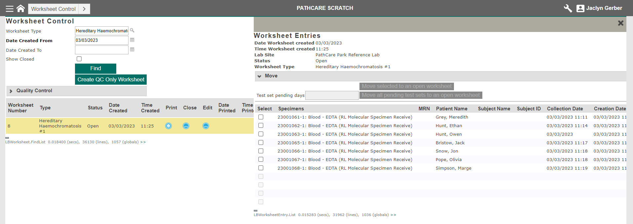
 | User profile | Worksheet Type | Created From | Worksheet Number | Type | Status | Date Created | Time Created | Print | Close | Edit | Date Printed | Time Printed | Number of Episodes | Date Modified | Time Modified | Confidential | d
1 | 13 | Hereditary Haemochromatosis #1 | t-1 |  | Hereditary Haemochromatosis #1 | Open |  |  |  | Y |  |  |  |  |  |  |  | PathCare Park Reference Lab
2 | 13 | Hereditary Haemochromatosis #1 |  |  | Hereditary Haemochromatosis #1 |  |  |  | Y

